FIITING THE REGRESSION CURVE
 |  | X | Y
 |  | feet ^2 | price$ | hƟ | hƟ-yi | (hƟ-yi)^2
 |  | 2104 | 460 | 378.72 | -81.28 | 6606.4384
 |  | 1416 | 232 | 254.88 | 22.88 | 523.4944
 |  | 1534 | 315 | 276.12 | -38.88 | 1511.6544
 |  | 852 | 178 | 153.36 | -24.64 | 607.1296
 |  |  |  |  | suma | 9248.7168
number of trainins examples | m | 4 |  |  | J(Ɵ0,Ɵ1) | 1,156
linear regression |  | hƟ=Ɵ0+Ɵ1X
 | Ɵ0 | 0
 | Ɵ1 | 0.18

MINIMAZINT ERROR FUNCTION

gradient descent(2)
error funtion |  |  |  | MACHINE LEARNING: LINEAR FUNCTION

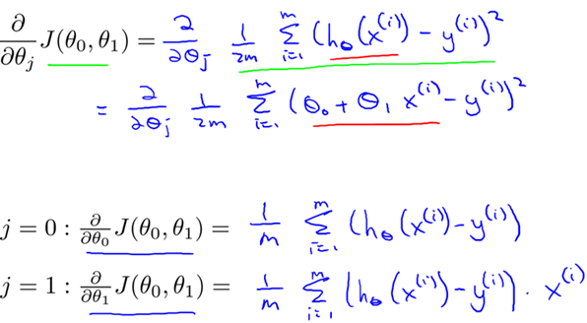
gradient descent for optimization
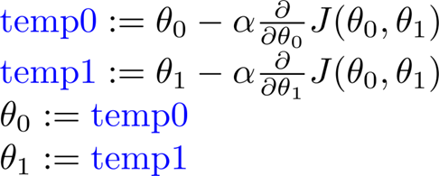

iter 0
 |  |  |  | X | Y |  |  |  |  | j=0 | j=1
 | Ɵ0 | 0 |  | feet ^2 | price$ | hƟ | hƟ-yi | (hƟ-yi)^2 | feet ^2 | hƟ1-yi | (hƟ1-yi)*xi
 | Ɵ1 | 0.19 |  | 2013 | 460 | 382.47 | -77.53 | 6010.90 | 2013 | -77.53 | -156067.89
 |  |  |  | 1416 | 232 | 269.04 | 37.04 | 1371.96 | 1416 | º | 52448.64
 |  |  |  | 1534 | 315 | 291.46 | -23.54 | 554.13 | 1534 | -23.54 | -36110.36
 |  |  |  | 800 | 200 | 152.00 | -48.00 | 2304.00 | 800 | -48 | -38400
 |  |  |  |  |  | suma | -112.03 | 10240.99 | sum/m | -28.0075 | -44532.4025
 |  | number of trainins examples | m | 4 |  |  | J(Ɵ0,Ɵ1) | 1,280 |  | alfa | 0.00000001
 |  | linear regression |  | hƟ=Ɵ0+Ɵ1X |  |  |  |  |  | iter1
 |  |  |  |  |  |  |  |  |  | Ɵ0 | 2.80075E-07
 |  |  |  |  |  |  |  |  |  | Ɵ1 | 0.19044532403

iter 1
 |  |  |  | X | Y |  |  |  |  | j=0 | j=1
 | Ɵ0 | 2.80075E-07 |  | feet ^2 | price$ | hƟ | hƟ-yi | (hƟ-yi)^2 |  | hƟ1-yi | (hƟ1-yi)*xi
 | Ɵ1 | 0.19044532403 |  | 2013 | 460 | 383.37 | -76.63 | 5872.70 | 2013 | -76.63 | -154263.36
 |  |  |  | 1416 | 232 | 269.67 | 37.67 | 1419.07 | 1416 | 37.67 | 53341.54
 |  |  |  | 1534 | 315 | 292.14 | -22.86 | 522.44 | 1534 | -22.86 | -35062.44
 |  |  |  | 800 | 200 | 152.36 | -47.64 | 2269.93 | 800 | -47.64 | -38114.99
 |  |  |  |  |  | suma | -109.46 | 10084.14 | sum/m | -27.365899131 | -43524.81
 |  |  |  |  |  |  | J(Ɵ0,Ɵ1) | 1,261 |  | alfa | 0.00000001
 |  | number of trainins examples | m | 4 |  |  |  |  |  | iter 2
 |  | linear regression |  | hƟ=Ɵ0+Ɵ1X |  |  |  |  |  | Ɵ0 | 5.5373399131E-07
 |  |  |  |  |  |  |  |  |  | Ɵ1 | 0.19088057217

iter 2
 |  |  |  | X | Y |  |  |  |  | j=0 | j=1
 | Ɵ0 | 5.5373399131E-07 |  | feet ^2 | price$ | hƟ | hƟ-yi | (hƟ-yi)^2 | feet ^2 | hƟ1-yi | (hƟ1-yi)*xi
 | Ɵ1 | 0.19088057217 |  | 2013 | 460 | 384.24 | -75.76 | 5739.18 | 2013 | -75.757407677 | -152499.66165
 |  |  |  | 1416 | 232 | 270.29 | 38.29 | 1465.89 | 1416 | 38.28689074 | 54214.237288
 |  |  |  | 1534 | 315 | 292.81 | -22.19 | 492.36 | 1534 | -22.189201744 | -34038.235475
 |  |  |  | 800 | 200 | 152.70 | -47.30 | 2236.87 | 800 | -47.295541714 | -37836.433371
 |  |  |  |  |  | suma | -106.96 | 9934.30 | sum/m | -26.738815098 | -42540.023303
 |  | number of trainins examples | m | 4 |  |  | J(Ɵ0,Ɵ1) | 1,242 |  | alfa | 0.00000001
 |  | linear regression |  | hƟ=Ɵ0+Ɵ1X |  |  |  |  |  | iter3
 |  |  |  |  |  |  |  |  |  | Ɵ0 | 8.2112214229E-07
 |  |  |  |  |  |  |  |  |  | Ɵ1 | 0.1913059724

Hoja2
